PayCheck Calculator
 | Update All 7 steps to determine your Estimated Net pay. | CAUTION: The estimator is pre-populated with a general example and is NOT reflective of your current job. You will need to fill in the applicable fields with data specific to you and your position. This estimator is for educational and illustrative purposes only and should not be construed as financial or tax advice. The results are only estimates and are not reflective of the amount of your actual net pay. Please consult a qualified professional regarding financial decisions.
 |  |  | Update fields in Highlighted Yellow only
 | Step 1: Enter hourly Rate of pay | Hourly Rate of pay | $17.00
 | Step 2: Enter estimated hours for pay period | Hours on timesheet for this pay period | 90
 |  | Overtime Hours (calculated) | 10 | $85.00
 |  | Gross Pay |  |  | BETA - Check Results Carefully
FICA Social Security (6.2%) | 99.05
FICA Medicare (1.45%) | 5.00
Federal Tax Withheld | 126.14
Tax Deferral Plan | 0.00
Health Insurance Premiums | 15.46
Pre-Tax Deductions | 1.90
State & Local Taxes | 0.00
Post-Tax Deductions | 1.14
 |  | Gross Pay: | $1,615.00 | (Calculated)
 |  | Information on W-4
 | Step 3: Enter W4 withholding information | Filing Status: | Single
 |  | Is Box 2(c) checked?: | No
 |  | Dependents from Step 3:
 |  | Other Income from Step 4a:
 |  | Deductions from Step 4b:
 |  | Extra Withholding from Step 4c:

 |  | Filing Status and Withholdings
 |  | Pre-Tax Adjustments (not included in Step 4b)
 | Step 4: Enter Mandatory retirement employee percentage. (i.e.; KPERS, TIAA, VOYA) | Tax Deferral Plan, 403(b): | 0.00%
Provided with Deduction Email (example on next tab) | Step 5: Enter Health Ins Premiums provided in Benefit email. (this is for pre-tax health ins premiums) | Pre Tax Health Insurance Premiums: | $15.46
Provided with Deduction Email (example on next tab) | Step 6: Enter any additional pre-tax deductions | Other Pre-Tax Deductions: | $1.90
 |  | Federal Taxable Gross: | $1,597.64 | (No Data Entry this is calculated)
 |  | Post-Tax Adjustments
 |  | State & Local Taxes: | % | (No Data Entry this is calculated with a generous estimated percentage withheld)
Provided with Deduction Email (example on next tab) | Step 7: Enter any additional after tax deductions you may have signed up for. | Other Post-Tax Deductions: | $1.14

 |  | Estimated Pay Check
 |  | FICA Social Security (6.2%) | $99.05 | (No Data Entry this is calculated)
 |  | FICA Medicare (1.45%) | 5.00 | (No Data Entry this is calculated)
 |  | Federal Tax Withheld | 126.14 | (No Data Entry this is calculated)
 |  | Tax Deferral Plan | 0.00 | (No Data Entry this is calculated)
 |  | Health Insurance Premiums | 15.46 | (No Data Entry this is calculated)
 |  | Pre-Tax Deductions | 1.90 | (No Data Entry this is calculated)
 |  | State & Local Taxes | #VALUE! | (No Data Entry this is calculated)
 |  | Post-Tax Deductions | 1.14 | (No Data Entry this is calculated)
 |  |  | #VALUE! | Total Deductions

 |  |  | #VALUE! | Total Gross (No Data Entry this is calculated)
 |  | NET Take-Home Pay | #VALUE! | Total Estimated Net Pay

 |  | REFERENCES
 |  | New (2021) W-4 Employee's Withholding Certificate, https://www.irs.gov/pub/irs-pdf/fw4.pdf
 |  | IRS Income Tax Withholding Assistant for Employers

 |  | Using the NEW W-4 Form

W4 Example
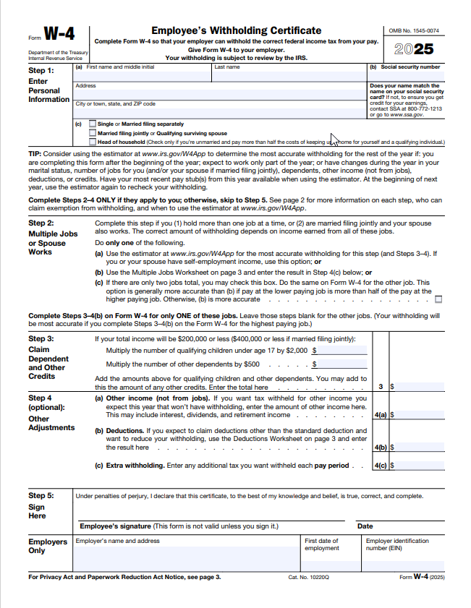

W4 updates can be made on the Employee Dashboard.

https://ssbprod.wichita.edu/PROD/bwpkxtxs.P_ViewW4

